About
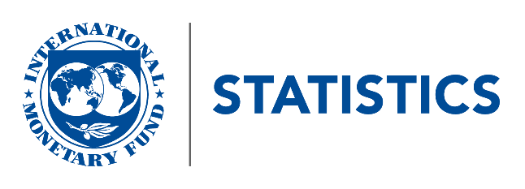
IMF Statistics Department
May 21, 2021
This appendix details changes to IFS National Accounts series that will be implemented from June 12, 2021 onwards. Further information is provided in an accompanying explanatory note, available at:
https://data.imf.org/api/document/download?key=63109019
For queries, please contact SIMSRES@imf.org

